1
Test_ID | Test Suite | Test scenario | Pre-Conditions | Test Data | Test Steps | Test Case Objective / Expected | Type | Test Result | Screenshot
 | Get | Request get all users data | Users alredy registered |  | 1. Open API project 2. Input Get URL https://gorest.co.in/public/v2/users 3. Click run test | Get status "200 OK" and body display all users data | Positive | Passed | 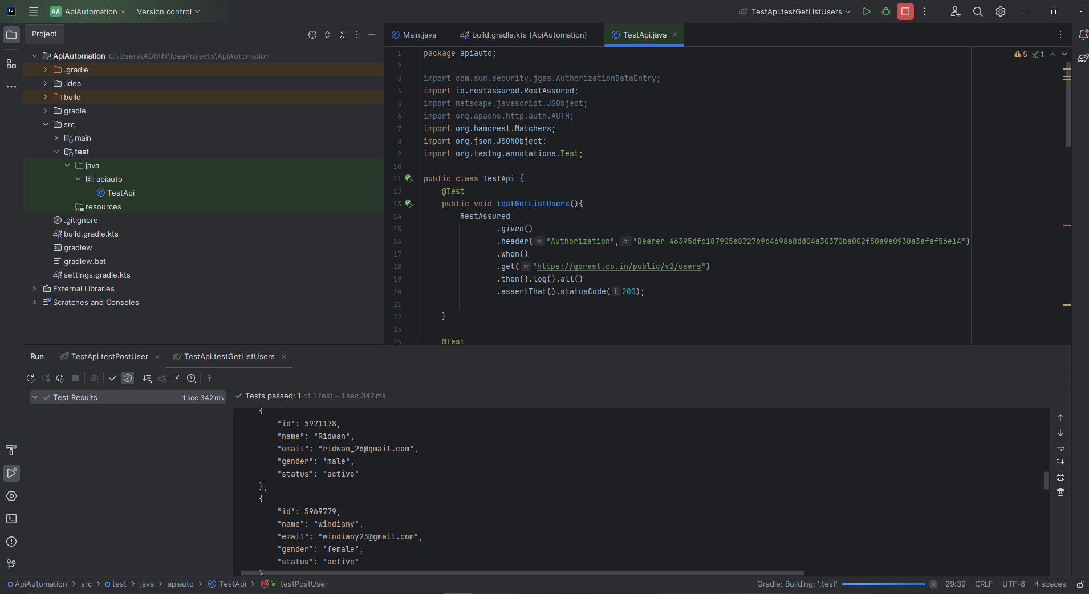
 |  | Request get all users data with wrong url | Invalid URL request |  | 1. Open API project 2. Input Get URL https://gorest.co.in/public/v2 3. Click run test | Get status "404 Not Found" | Negative | Passed | 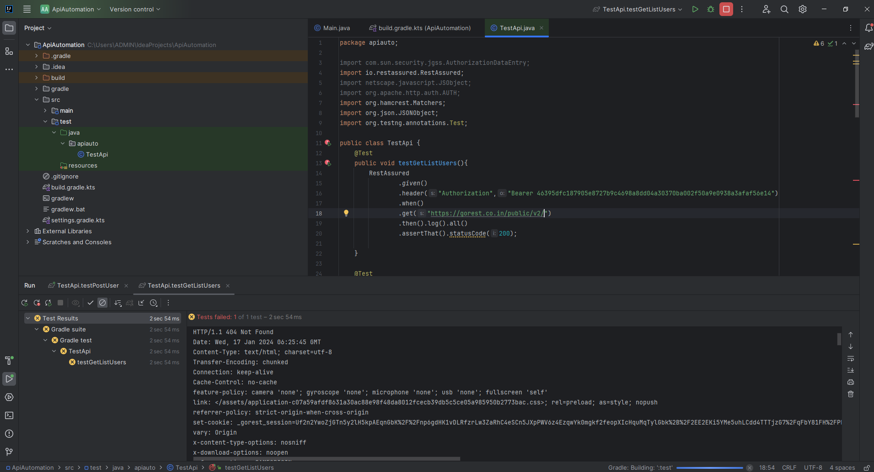

2
Test_ID | Test Suite | Test scenario | Pre-Conditions | Test Data | Test Steps | Test Case Objective / Expected | Type | Test Result | Screenshot
 | Post | Request post create new user | User not registered | "name": "Ridwan", "gender": "male", "email": "ridwan_26@gmail.com", "status": "active" | 1. Open project API 2. Input Post URL https://gorest.co.in/public/v2/users 3. Input body 4. Input authorization token 5. Click run test | Get status "200 OK" and new post data success | Positive | Passed | 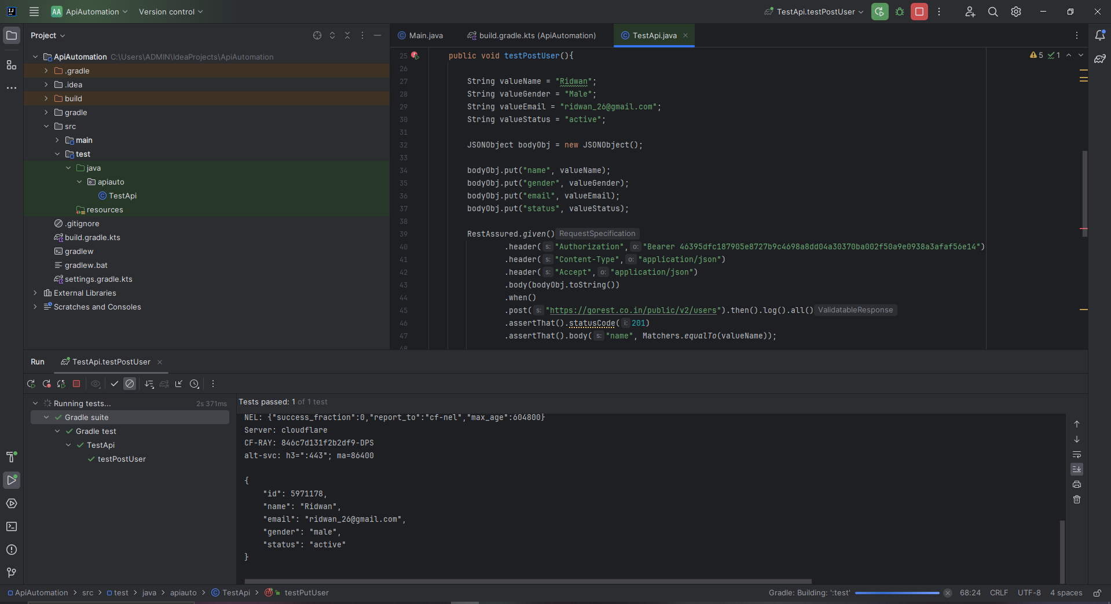
 |  | Request post create new user with no authorization | User not registered | "name": "Ridwan", "gender": "male", "email": "ridwan_26@gmail.com", "status": "active" | 1. Open project API 2. Input Post URL https://gorest.co.in/public/v2/users 3. Input body 4. Click run test | Get status "401 unauthorized" and "message": "Authentication failed" | Negative | Passed | 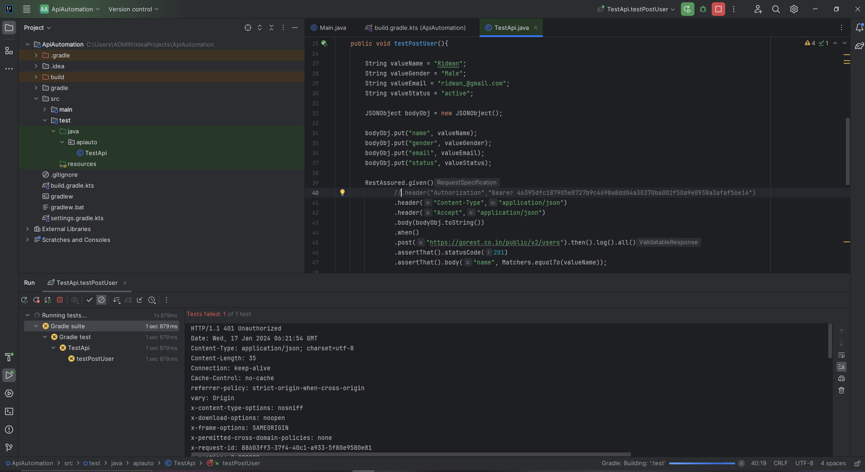

3
Test_ID | Test Suite | Test scenario | Pre-Conditions | Test Data | Test Steps | Test Case Objective / Expected | Type | Test Result | Screenshot
 | Get | Request Get specific user | User alredy registered | "id": 5971178 "name": "Ridwan" "email": "ridwan_26@gmail.com" "gender": "male" "status": "active" | 1. Open project API 2. Input Get URL https://gorest.co.in/public/v2/users/5971178 3. Click run test | Get status "200 OK" and body display specific user | Positive | Passed | 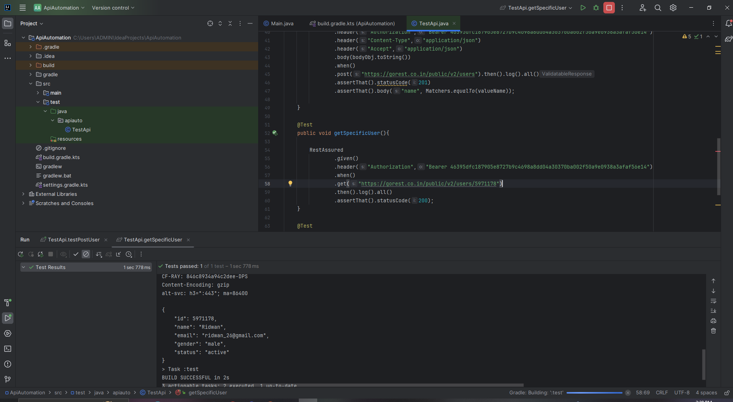
 |  | Request Get specific user with wrong user id or user id not registered | User not registered |  | 1. Open project API 2. Input Get URL https://gorest.co.in/public/v2/users/5971179 3. Click run test | Get status "404 Not Found" | Negative | Passed | 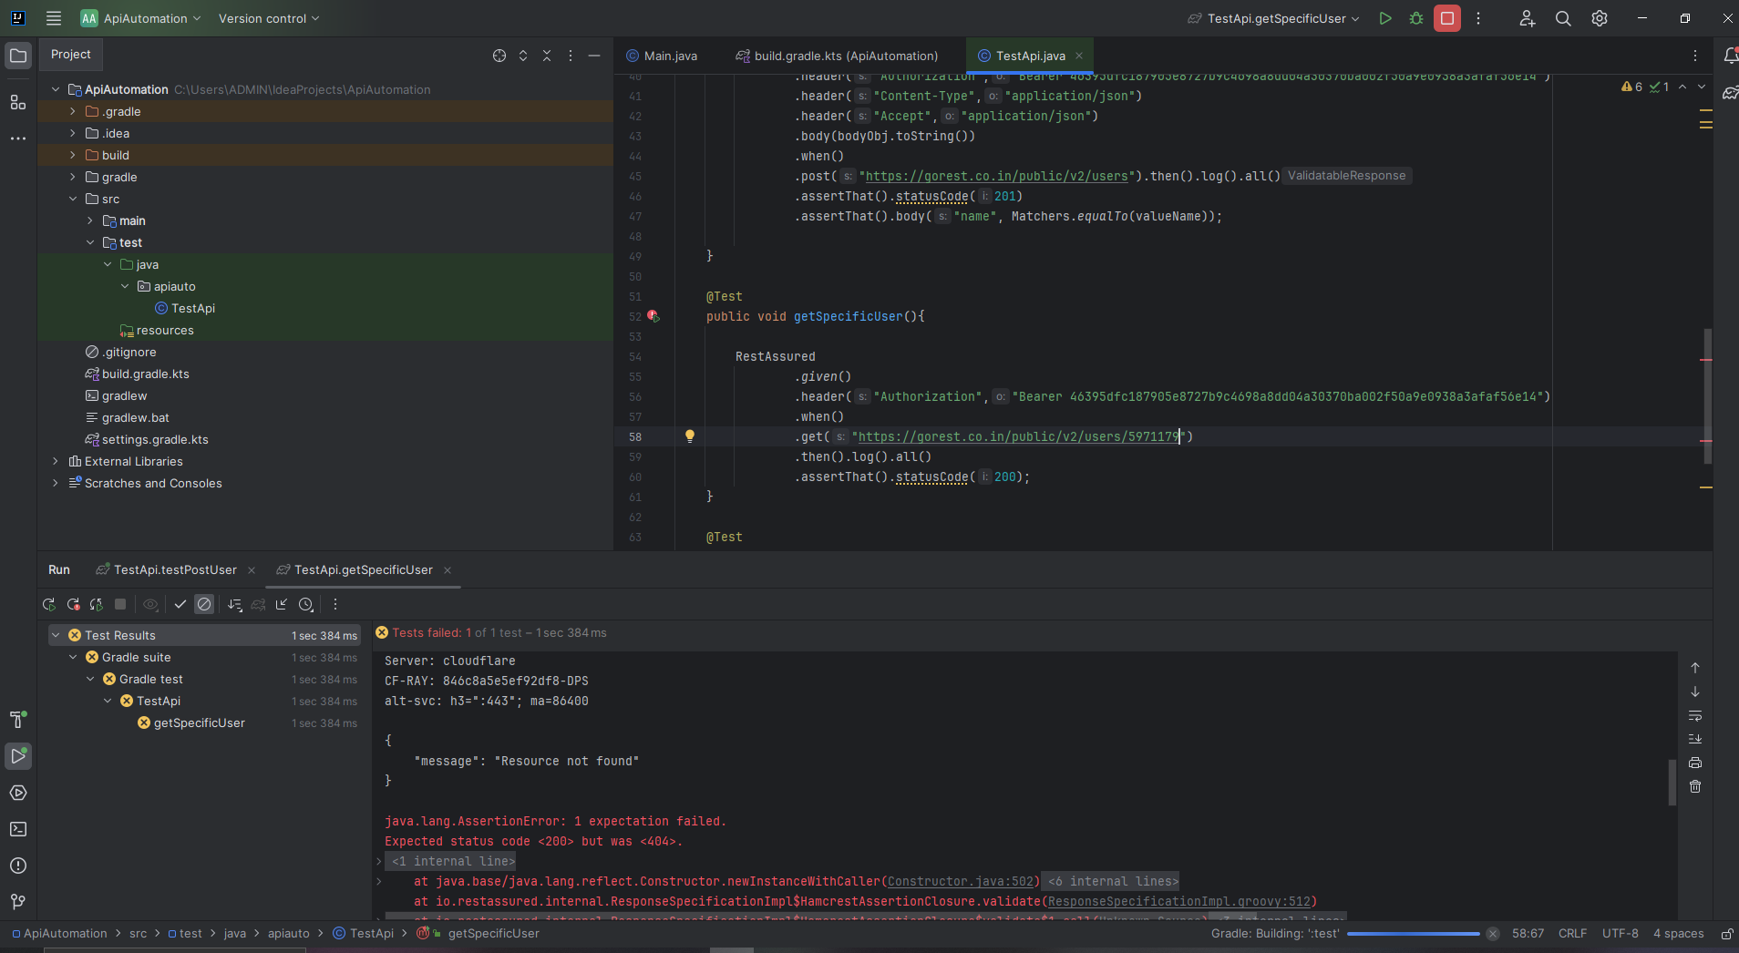

4
Test_ID | Test Suite | Test scenario | Pre-Conditions | Test Data | Test Steps | Test Case Objective / Expected | Type | Test Result | Screenshot
 | Put | Request Put edit user name | User alredy registered | "name": "Ridwan" Edit to "name": "Roy" | 1. Open postman API 2. Input Put URL https://gorest.co.in/public/v2/users/5971178 3. Input body to edit name 4. Input header authorization token 5. Click run test | Get status "200 OK" and body display edited data | Positive | Passed | 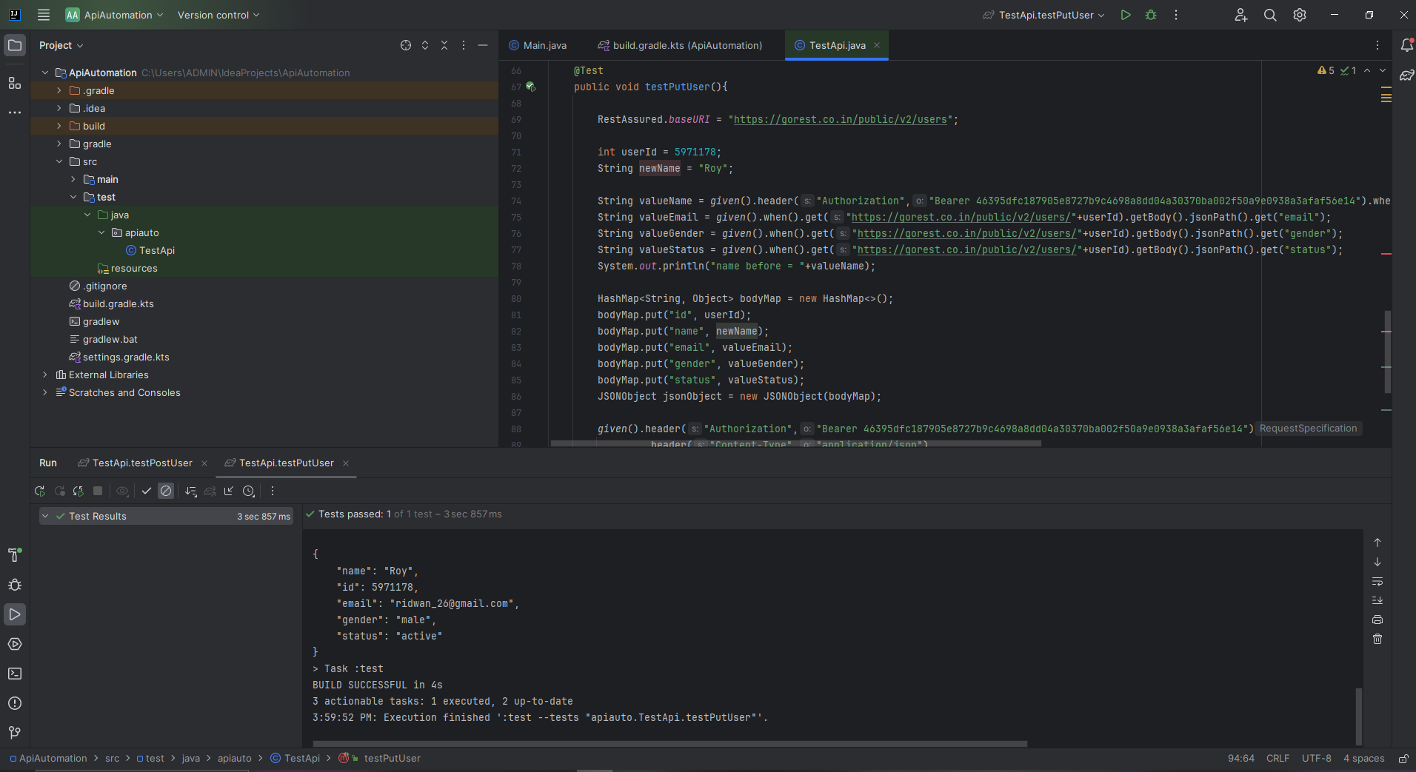
 |  | edit all data user with empty data | User alredy registered | First data : "name": "Ridwan" Edit to : "name": "" | 1. Open project API 2. Input Put URL https://gorest.co.in/public/v2/users/5971178 3. blank body data field 4. Input header authorization token 5. Click run test | Get status "422 unproccesable entity" and message "field cant be blank" | Negative | Passed | 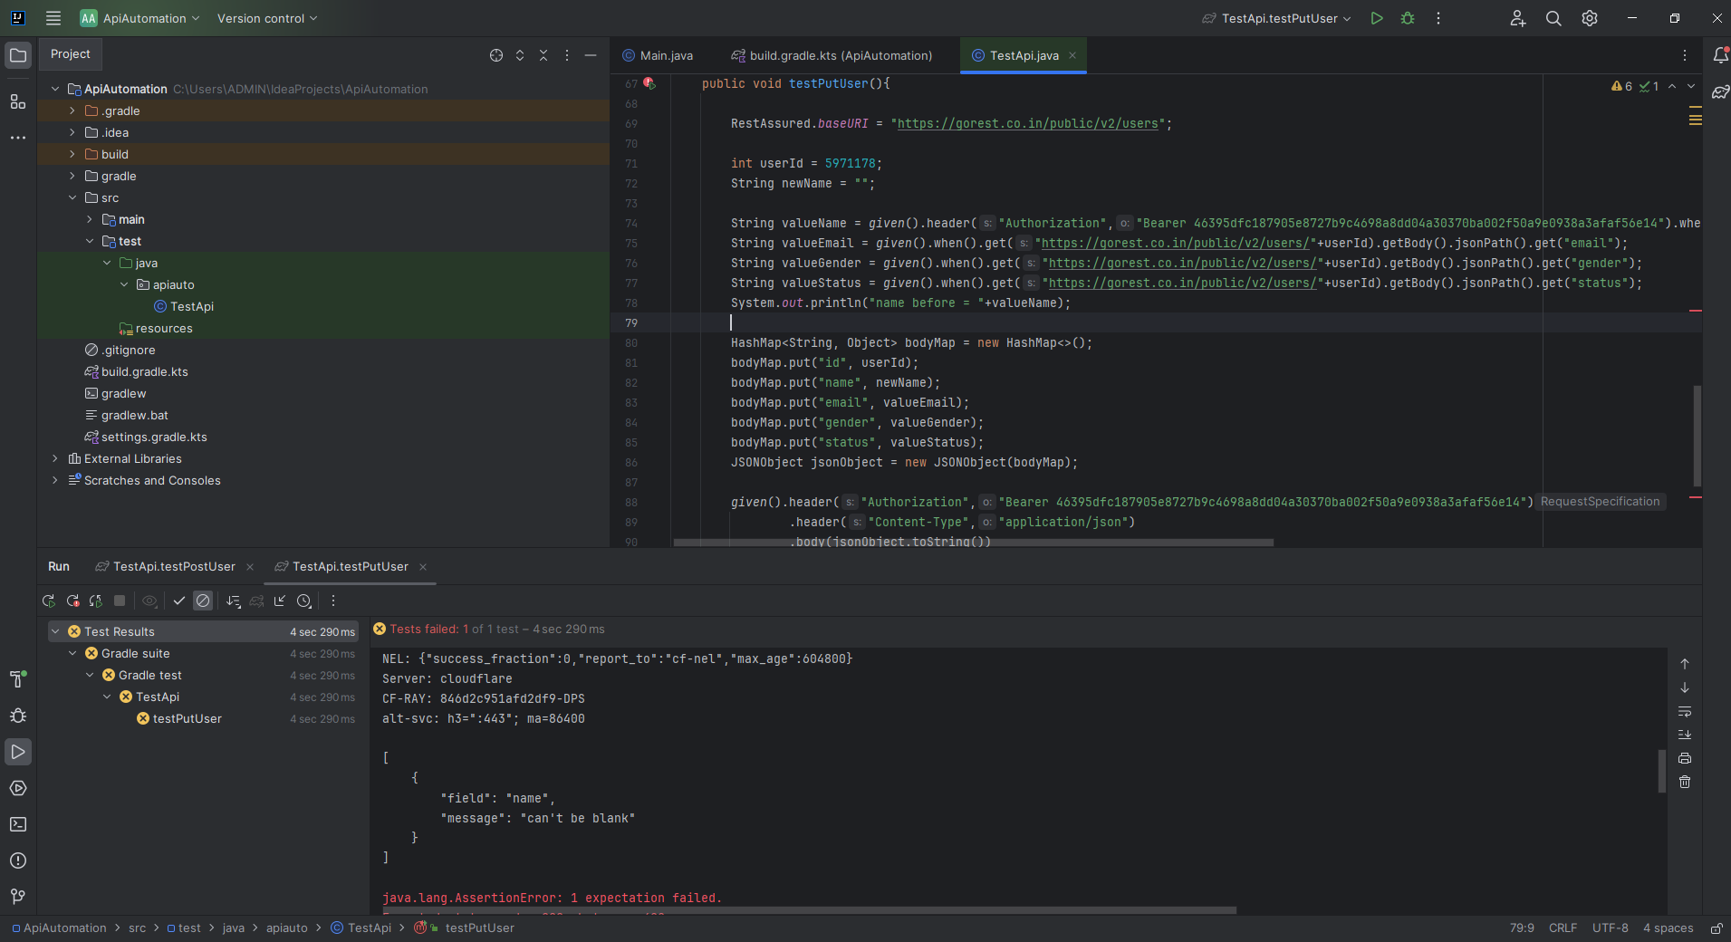

5
Test_ID | Test Suite | Test scenario | Pre-Conditions | Test Data | Test Steps | Test Case Objective / Expected | Type | Test Result | Screenshot
 | Delete | Delete user data | User alredy registered | "id": 5971178 "name": "Ridwan" "email": "ridwan_26@gmail.com" "gender": "male" "status": "active" | 1. Open project API 2. Input Delete URL https://gorest.co.in/public/v2/users/5971178 3. Input header authorization token 4. Click run test | Get status "204 no content" | Positive | Passed | 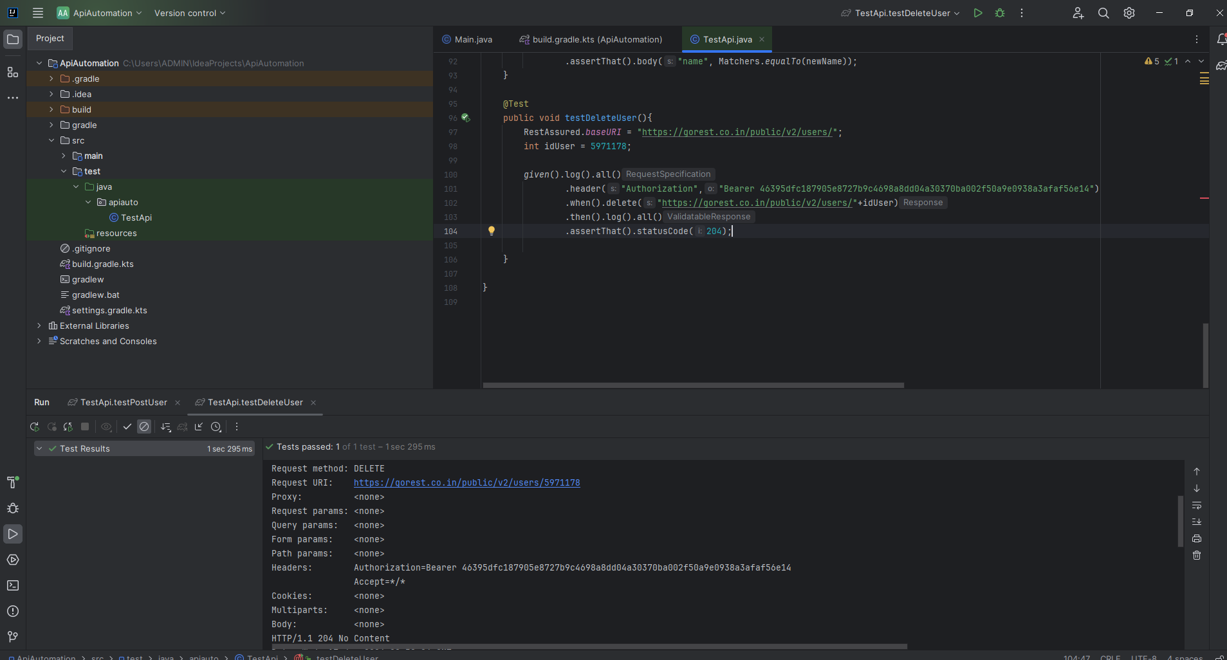
 |  | Validate user data alredy deleted | User alredy deleted | "id": 5971178 | 1. Open project API 2. Input Get URL https://gorest.co.in/public/v2/users/5971178 3. Input header authorization token 4. Click run test | Get status "404 Not Found" data alredy deleted | Negative | Passed | 